Error Data
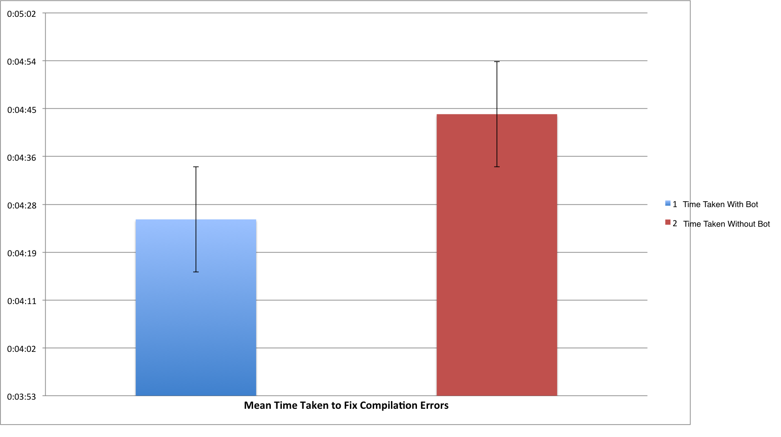
Tester Index | Time Taken with Bot | Time Taken without Bot
1 | 0:06:15 | 0:07:22
2 | 0:07:00 | 0:08:56 | Time Taken With Bot | Time Taken Without Bot
3 | 0:03:28 | 0:05:20 | 0:04:25 | 0:04:44
4 | 0:03:33 | 0:04:57
5 | 0:04:40 | 0:03:31
6 | 0:04:50 | 0:02:26
7 | 0:03:09 | 0:02:27
8 | 0:02:26 | 0:02:54
Avg | 0:04:25 | 0:04:44

Survey Data
 | Overall Helpfulness of the Bot when trying to fix compilation errors |  |  | Bot Saved Time Fixing Compilation Errors
 | 8 |  |  | 8
 | 8 | 1 = Fixing errors was much easier without the Bot |  | 9 | 1 = Took Up More Time Due to the Bot
 | 6 | 10 = Fixing errors was much easier with the Bot |  | 8 | 10 = Bot Saved A Lot of Time
 | 8 |  |  | 8
 | 8 |  |  | 7
 | 6 |  |  | 5
 | 9 |  |  | 10
 | 9 |  |  | 8
Avg | 7.75 |  |  | 7.875
 | Bot's Translated Messages More Understandable than Terminal Errors |  |  |  |  |  |  | Overall Helpfulness of the Bot when trying to fix compilation errors | 1 = Fixing errors was much easier without the Bot
 | 9 |  |  |  |  |  |  |  | 10 = Fixing errors was much easier with the Bot
 | 8 | 1 = Terminal Messages Much Easier to Understand than Bot's Translations
 | 7 | 10 = Bot's Messages Much Easier to Understand than Terminal Terminal Messages |  |  |  |  |  | Bot Saved Time Fixing Compilation Errors | 1 = Took Up More Time Due to the Bot
 | 9 |  |  |  |  |  |  |  | 10 = Bot Saved A Lot of Time
 | 10
 | 5 |  |  |  |  |  |  | Bot Reducing Stress During Deadlines | 1 = Bot Would Result in Increased Stress
 | 10 |  |  |  |  |  |  |  | 10 = Bot Would Greatly Reduce Stress
 | 8
Avg | 8.25
 | Bot Reducing Stress During Deadlines |  |  | Need Less Help at OH with Bot |  |  |  | Need Less Help at OH with Bot | 1 = Would Need More Help at OH with Bot
 | 8 |  |  | 8 |  |  |  |  | 10 = Would Need Much Less Help at OH with Bot
 | 9 | 1 = Bot Would Result in Increased Stress |  | 7 | 1 = Would Need More Help at OH with Bot
 | 8 | 10 = Bot Would Greatly Reduce Stress |  | 10 | 10 = Would Need Much Less Help at OH with Bot |  |  | Bot's Translated Messages More Understandable than Terminal Errors | 1 = Terminal Messages Much Easier to Understand than Bot's Translations
 | 8 |  |  | 10 |  |  |  |  | 10 = Bot's Messages Much Easier to Understand than Terminal Terminal Messages
 | 7 |  |  | 9
 | 5 |  |  | 6
 | 10 |  |  | 10
 | 7 |  |  | 5
Avg | 7.75 |  |  | 8.125

 |  |  | Overall Helpfulness | Time Reduction | Helpful Translations | Stress Reduction | Less OH
 |  |  | 8 | 8 | 9 | 8 | 8
 |  |  | 8 | 9 | 8 | 9 | 7
 |  |  | 6 | 8 | 7 | 8 | 10
 |  |  | 8 | 8 | 9 | 8 | 10
 |  |  | 8 | 7 | 10 | 7 | 9
 |  |  | 6 | 5 | 5 | 5 | 6
 |  |  | 9 | 10 | 10 | 10 | 10
 |  |  | 9 | 8 | 8 | 7 | 5
 |  |  | 7.75 | 7.875 | 8.25 | 7.75 | 8.125

